Instructions
Domestic Victims of Human Trafficking (DVHT) Program Background | How to Use This Workbook
The Trafficking Victims Protection Act of 2000, as amended, authorizes the Secretary of Health and Human Services to establish a program to assist United States citizens and lawful permanent residents who are victims of severe forms of trafficking (22 U.S.C. 7105(f)). OTIP will award cooperative agreements to implement the Domestic Victims of Human Trafficking (DVHT) Program, which will include: (1) the Domestic Victims of Human Trafficking and Services Outreach Program, (2) Demonstration Grants to Strengthen the Response to Victims of Human Trafficking in Native Communities Program, and (3) the Strengthen the Health Care Response for Victims of Human Trafficking Program. Through the DVHT program, grantees will provide comprehensive case management to domestic survivors of severe forms of human trafficking in a traditional case management, Native community, or health care setting. The intent of the program is to connect survivors with the services they need to improve their lives and health outcomes. The DVHT Program is inclusive of three distinct programs: the Domestic Victims of Human Trafficking and Services Outreach Program, Demonstration Grants to Strengthen the Response to Victims of Human Trafficking in Native Communities Program, and the Strengthen the Health Care Response for Victims of Human Trafficking Program grants. The data collection instruments are intended to collect information for all three DVHT programs. OTIP collects information to measure grant project performance, provide technical assistance to grant recipients, assess program outcomes, improve program evaluation, respond to congressional inquiries and mandated reports, and inform policy and program development that is responsive to the needs of victims. The information collection captures information on participant demographics (e.g., age, sex, and country of origin); types of trafficking experienced (e.g., sex, labor, or both); types of enrollment; types of services requested and provi | 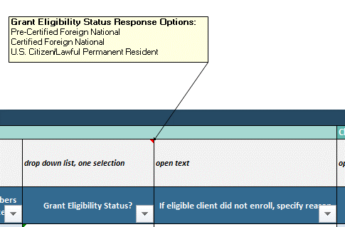 Domestic Victims of Human Trafficking (DVHT) Program grant recipients are expected to submit client program entry, delivery barriers and monitoring, client case closure, training, technical assistance, and partnership development data to OTIP on a quarterly basis and client service use and costs of services data on an annual basis. The name of each quarterly submission tab will start with a 'Q.' The name of each annual submission tab will start with 'FY.' Over the course of the DVHT program, grant recipients will use the OMB-approved forms below to collect data from clients and program partners. This data will then be aggregated and submitted to OTIP via this Excel-based data collection workbook and submitted via GrantSolutions.gov to fulfill post-award performance reporting requirements. DVHT Program Data Collection Forms - Client Characteristics and Enrollment Form - Barriers to Service Delivery Form - Client Case Closure Form - Client Service Use and Delivery Form - Victim Outreach Form* - Subrecipient Enrollment - Categories of Assistance Several of the OMB-approved data elements have a predetermined list of values. In order to adhere to HHS' Policy for Software Development Secure Coding Practices, we are unable to add macros that would allow for multi-select data validation. This means that, for some data elements/columns, you will need to type the relevant information. The grey cells above each of the data elements describe the format of the data that should be entered into the column and a pop-up comment box in the cell provides the field value options. The yellow example row of data also has a drop down box that contains all field options. See screenshots below. If you are adding more than one value to these "multi-select" open text cells, please separate the values with a comma delimiter. For example, under the Services Received column, you might type out, "Employment Assistance, Education Assistance, Other". You can find term definitions on the 'Definiti

OMB Control Number: 0970-0542
Expiration Date: 2/28/2026
PAPERWORK REDUCTION ACT OF 1995 (Pub. L. 104-13) STATEMENT OF PUBLIC BURDEN: The purpose of this information collection is to gather data on the grant program to assess program performance, inform evaluation efforts, tailor technical assistance for recipients, respond to inquiries from stakeholders, and inform policy and program development. Public reporting burden for this collection of information is estimated to average XX hours per grant recipient, including the time for reviewing instructions, gathering and maintaining the data needed, and reviewing the collection of information. This collection of information is required to retain a benefit (22 U.S.C. 7105, Trafficking Victims Protection Act). An agency may not conduct or sponsor, and a person is not required to respond to, a collection of information subject to the requirements of the Paperwork Reduction Act of 1995, unless it displays a currently valid OMB control number. The OMB # is 0970-0542 and the expiration date is 2/28/2026. If you have any comments on this collection of information, please contact Vera Soto, Office on Trafficking in Persons, by email at Vera.Soto@acf.hhs.gov.

