Instructions
Form Approved
OMB NO: 0920-1365
Exp. Date:7/31/2025 Public reporting burden of this collection of information is estimated at 10 hours per response, including the time for reviewing instructions, searching existing data sources, gathering and maintaining the data needed, and completing and reviewing the collection of information. An agency may not conduct or sponsor, and a person is not required to respond to a collection of information unless it displays a currently valid OMB control number. Send comments regarding this burden estimate or any other aspect of this collection of information, including suggestions for reducing this burden to CDC/Information Collection Review Office, 1600 Clifton Road, NE, MS D-74, Atlanta, GA 30333; Attn: PRA (0920-1365).
Preparing the MVT Special Emphasis Report is a three step process:
Step 1 is to prepare your state/territory data on MVT
Step 2 is to enter the data in this spreadsheet in tabs A through L
Step 3 is to create the SER by populating the PDF form with the appropriate data

Step 1: Preparing State/Territory Data |  |  | Step 2: Entering Data | Step 3: Creating Special Emphasis Report

1. Open the PDF SER form
2. Open the "Report" tab
2.1 - The PDF SER form includes fields that will be populated according to the data you have entered in the spreadsheet. Follow the instructions in the "Report" tab and populate the PDF SER form with the appropriate data. You will need to copy and paste some of the graphs and charts from the report tab into your SER - instructions for how to do this are embedded in the tab.
3. Finalize the PDF SER form
3.1 - Once you have copied and entered all the data into the form, remove the blue shading, which is on by default in the document so all the fillable fields can be easily distinguished. Turn it off within Acrobat Reader by going to Edit > Preferences > Forms > and deselecting “show border hover color for fields”
Name | ICD-10-CM code | ICD-10 notes
1a. Create Nonfatal MVT-Specific Injury Hospitalizations Data Set - The MVT-specific hospitalization indicators should be calculated based on first creating a MVT-related injury hospitalization subset. This is done using the ICD-10-CM codes for the MVT-related hospital discharge indicator in the State Injury Indicators listed below. For hospitalizations, one of these codes should be in the primary/principal diagnosis field for the case to be in the injury subset. *Only include cases if the 7th character of the code is A, B, C, or missing (reflects initial encounter, active treatment). T30-T32 do not have a 7th character. Create an injury hospitalization subset using the ICD-10-CM codes below:
Nonfatal injury hospitalization for all injuries | S00-S99
 | T07-T34
 | T36-T50 | T36-T50 with a 6th character of 1, 2, 3, or 4 Note: Include T36.9, T37.9, T39.9, T41.4, T42.7, T43.9, T45.9, T47.9, and T49.9 with 5th character of 1, 2, 3, or 4) (Intent information for these codes is included in the 5thcharacter and not the 6th)
 | T51-T65
 | T66-T76
 | T79
 | O9A.2-O9A.5
 | T84.04 | T84.04 was retired and replaced by M97 in the FY2017 version of ICD-10-CM which went into effect on Oct 1, 2016.
 | M97
1b. Select hospitalizations with any of the MVT ICD-10-CM codes in any diagnosis field listed below: *Only Include cases if the 7th character of the code is A or missing (reflects initial encounter, active treatment)

Nonfatal Motor vehicle traffic hospitalization | V02-V04 (.1, .9), V09.2, V09.3 | MVT-Pedestrian
 | V12-V14 (.3-.9), V19.4-V19.6, V19.9 | MVT-Pedal cyclist
 | V20-V28 (.3-.9), V29.4-V29.9 | MVT-Motorcyclist
 | V30-V79 (.4-.9), V83-V86 (.0-.3), V87.0-V87.8, V89.2 | MVT-Occupant (and unspecified)
 | V80.3-V80.5, V81.1, V82.1 | MVT-Other
2a. Create Nonfatal MVT-Specific Injury Emergency Department (ED) Visit Data Set - These indicators should be calculated based on first creating a MVT-related injury emergency department visit subset. This is done using the instructions for ICD-10-CM codes for MVT-related emergency department indicator listed below: Include cases if the 7th character of the code is A, B, C, or missing (reflects initial encounter, active treatment)
Nonfatal Injury ED visit | S00-S99
 | T07-T34
 | T36-T50 | T36-T50 with a 6th character of 1, 2, 3, or 4 Note: Include T36.9, T37.9, T39.9, T41.4, T42.7, T43.9, T45.9, T47.9, and T49.9 with 5th character of 1, 2, 3, or 4) (Intent information for these codes is included in the 5thcharacter and not the 6th)
 | T51-T65
 | T66-T76
 | T79
 | O9A.2-O9A.5
 | T84.04
 | M97
 | V00-V99 | For ICD10CM Injury Cause Codes select only 7th character of A or missing **Only include cases if the 7th character is A or missing (reflects initial encounter, active treatment)
 | W00-X58
 | X71-X83
 | X92-Y09
 | Y21-Y33
 | Y35-Y38
2b. Select ED visits with any of the following MVT ICD-10-CM codes in any diagnosis field listed below: **Only Include cases if the 7th character of the code is A or missing (reflects initial encounter, active treatment)

Nonfatal Motor vehicle traffic ED visit | V02.1, V02.9, V03.1, V03.9, V04.1, V04.9, V09.2, V09.3 | Pedestrian
 | V12-V14 (.3-.9), V19.4-V19.6, V19.9 | Pedal cyclist
 | V20-V28 (.3-.9), V29.4-V29.9 | Motorcyclist
 | V30-V79 (.4-.9), V83-V86 (.0-.3), V87.0-V87.8, V89.2 | Occupant (and unspecified)
 | V80.3-V80.5, V81.1, V82.1 | Other
3a. Create MVT-specific Deaths Data Set - The MVT-specific death indicators should be calculated based on first creating a MVT-related injury death subset. Limit deaths to those with an injury underlying cause of death:
Injury underlying cause of death | V01-Y36
 | Y85-Y87
 | Y89
 | U01-U03
3b. Then select deaths with any of the MVT ICD-10-CM codes in any field of the multiple cause of death file:
Motor vehicle traffic fatalities | V02-V04 (.1, .9) | MVT-Pedestrian
 | V09.2
 | V12-V14(.3-.9) | MVT-Pedal cyclist
 | V19(.4-.6)
 | V20-V28(.3-.9) | MVT-Motorcyclist
 | V29(.4–.9)
 | V30-V79(.4-.9) | MVT-Occupant
 | V83-V86(.0-.3)
 | V80(.3-.5) | MVT-Other
 | V81.1
 | V82.1
 | V87(.0-.8) | MVT-Unspecified
 | V89.2

Optional Year 1-5 Rates
Instruction: Data in this tab is optional and can be referenced to see trends in data to fill in text sections of the Special Emphasis Report Form This tab will automatically fill with data from the Year 1 through Year 5 tabs. The information in this tab can be used to complete the "Burden and Overview" section of the MVT Special Emphasis report. The average annual change in MVT injury age-adjusted rates per 100,000 over 5 years (not percentage change) is shown in this tab for hospitalizations, ED visits, and deaths across race/ethnicity, sex, and age groups.
Annual age-adjusted rates per 100,000 of non-fatal and fatal MVT injuries (Years 1-5)

Years will autofill using "Populations" tab | Year 1 - Year 5 total MVT non-fatal and fatal injury rates
 | Hopitalization | ED | Death
Year 5 | 0.0 | 0.0 | 0.0
Year 4 | 0.0 | 0.0 | 0.0
Year 3 | 0.0 | 0.0 | 0.0
Year 2 | 0.0 | 0.0 | 0.0
Year 1 | 0.0 | 0.0 | 0.0

 | Year 1 - Year 5 hospitalization rates across age groups
age group | Year 5 | Year 4 | Year 3 | Year 2 | Year 1
<1 | 0.0 | 0.0 | 0.0 | 0.0 | 0.0
1-4 | 0.0 | 0.0 | 0.0 | 0.0 | 0.0
5-9 | 0.0 | 0.0 | 0.0 | 0.0 | 0.0
10-14 | 0.0 | 0.0 | 0.0 | 0.0 | 0.0
15-19 | 0.0 | 0.0 | 0.0 | 0.0 | 0.0
20-24 | 0.0 | 0.0 | 0.0 | 0.0 | 0.0
25-34 | 0.0 | 0.0 | 0.0 | 0.0 | 0.0
35-44 | 0.0 | 0.0 | 0.0 | 0.0 | 0.0
45-54 | 0.0 | 0.0 | 0.0 | 0.0 | 0.0
55-64 | 0.0 | 0.0 | 0.0 | 0.0 | 0.0
65-74 | 0.0 | 0.0 | 0.0 | 0.0 | 0.0
75-84 | 0.0 | 0.0 | 0.0 | 0.0 | 0.0
85+ | 0.0 | 0.0 | 0.0 | 0.0 | 0.0

 | Year 1 - Year 5 ED rates across age groups
age group | Year 5 | Year 4 | Year 3 | Year 2 | Year 1
<1 | 0.0 | 0.0 | 0.0 | 0.0 | 0.0
1-4 | 0.0 | 0.0 | 0.0 | 0.0 | 0.0
5-9 | 0.0 | 0.0 | 0.0 | 0.0 | 0.0
10-14 | 0.0 | 0.0 | 0.0 | 0.0 | 0.0
15-19 | 0.0 | 0.0 | 0.0 | 0.0 | 0.0
20-24 | 0.0 | 0.0 | 0.0 | 0.0 | 0.0
25-34 | 0.0 | 0.0 | 0.0 | 0.0 | 0.0
35-44 | 0.0 | 0.0 | 0.0 | 0.0 | 0.0
45-54 | 0.0 | 0.0 | 0.0 | 0.0 | 0.0
55-64 | 0.0 | 0.0 | 0.0 | 0.0 | 0.0
65-74 | 0.0 | 0.0 | 0.0 | 0.0 | 0.0
75-84 | 0.0 | 0.0 | 0.0 | 0.0 | 0.0
85+ | 0.0 | 0.0 | 0.0 | 0.0 | 0.0

 | Year 1 - Year 5 death rates across age groups
age group | Year 5 | Year 4 | Year 3 | Year 2 | Year 1
<1 | 0.0 | 0.0 | 0.0 | 0.0 | 0.0
1-4 | 0.0 | 0.0 | 0.0 | 0.0 | 0.0
5-9 | 0.0 | 0.0 | 0.0 | 0.0 | 0.0
10-14 | 0.0 | 0.0 | 0.0 | 0.0 | 0.0
15-19 | 0.0 | 0.0 | 0.0 | 0.0 | 0.0
20-24 | 0.0 | 0.0 | 0.0 | 0.0 | 0.0
25-34 | 0.0 | 0.0 | 0.0 | 0.0 | 0.0
35-44 | 0.0 | 0.0 | 0.0 | 0.0 | 0.0
45-54 | 0.0 | 0.0 | 0.0 | 0.0 | 0.0
55-64 | 0.0 | 0.0 | 0.0 | 0.0 | 0.0
65-74 | 0.0 | 0.0 | 0.0 | 0.0 | 0.0
75-84 | 0.0 | 0.0 | 0.0 | 0.0 | 0.0
85+ | 0.0 | 0.0 | 0.0 | 0.0 | 0.0

 | Year 1 - Year 5 hospitalization rates across race/ethnicity and sex
 | Year 5 | Year 4 | Year 3 | Year 2 | Year 1
White-Not Hispanic | 0.0 | 0.0 | 0.0 | 0.0 | 0.0
Hispanic | 0.0 | 0.0 | 0.0 | 0.0 | 0.0
Black-Not Hispanic | 0.0 | 0.0 | 0.0 | 0.0 | 0.0
Asian | 0.0 | 0.0 | 0.0 | 0.0 | 0.0
American Indian /Alaska Native | 0.0 | 0.0 | 0.0 | 0.0 | 0.0
Other | 0.0 | 0.0 | 0.0 | 0.0 | 0.0
Male | 0.0 | 0.0 | 0.0 | 0.0 | 0.0
Female | 0.0 | 0.0 | 0.0 | 0.0 | 0.0

 | Year 1 - Year 5 ED rates across race/ethnicity and sex
 | Year 5 | Year 4 | Year 3 | Year 2 | Year 1
White-Not Hispanic | 0.0 | 0.0 | 0.0 | 0.0 | 0.0
Hispanic | 0.0 | 0.0 | 0.0 | 0.0 | 0.0
Black-Not Hispanic | 0.0 | 0.0 | 0.0 | 0.0 | 0.0
Asian | 0.0 | 0.0 | 0.0 | 0.0 | 0.0
American Indian /Alaska Native | 0.0 | 0.0 | 0.0 | 0.0 | 0.0
Other | 0.0 | 0.0 | 0.0 | 0.0 | 0.0
Male | 0.0 | 0.0 | 0.0 | 0.0 | 0.0
Female | 0.0 | 0.0 | 0.0 | 0.0 | 0.0

 | Year 1 - Year 5 death rates across race/ethnicity and sex
 | Year 5 | Year 4 | Year 3 | Year 2 | Year 1
White-Not Hispanic | 0.0 | 0.0 | 0.0 | 0.0 | 0.0
Hispanic | 0.0 | 0.0 | 0.0 | 0.0 | 0.0
Black-Not Hispanic | 0.0 | 0.0 | 0.0 | 0.0 | 0.0
Asian | 0.0 | 0.0 | 0.0 | 0.0 | 0.0
American Indian /Alaska Native | 0.0 | 0.0 | 0.0 | 0.0 | 0.0
Other | 0.0 | 0.0 | 0.0 | 0.0 | 0.0
Male | 0.0 | 0.0 | 0.0 | 0.0 | 0.0
Female | 0.0 | 0.0 | 0.0 | 0.0 | 0.0

Figure 1
Please enter ED Visits, Hospitalizations, and Fatalities for the most recent data year in row 6 to populate the pyramid

 |  | ED Visits | Hospitalizations | Fatalities
 | Item | 58000 | 22315 | 32000

Figure 2
 | rates
Year 1 | 1
Year 2 | 2
Year 3 | 3
Year 4 | 4
Year 5
Year 6
Year 7
Year 8
Year 9
Year 10
Year 11
Year 12
Instruction: Years can be edited in column B given your dataset. Data for years 1-5 in prior tabs will automatically populate with years from the "Populations" tab. Figure 2 reflects MVT fatality rates over 10 years.
Year | Year label - modify years in this column to reflect in graph | Please enter fatality rates for each year to reflect in the graph. These rates can be age-adjusted if the data is available. | data year label
1 | Year 1 | 1 | 0
2 | Year 2 | 2 | 0
3 | Year 3 | 3 | 0
4 | Year 4 | 4 | 0
5 | Year 5 |  | 0
6 | Year 6 |  | 0
7 | Year 7 |  | 0
8 | Year 8 |  | 0
9 | Year 9 |  | 0
10 | Year 10 |  | 0
11 | Year 11 |  | 0
12 | Year 12 |  | 0

Figure 3
FIGURE 3: Percent of Unintentional MTV Injuries by Type of Person, (Years, State)
Instruction: The type of person type can be modified in rows A7, A8, A9, and A10 if necessary. Please enter fatality, hospitalization, and ED visit data in Rows 6 through 10.
Number by person type
 | Deaths | Hospitalizations | ED Visits
Occupant / Unspecified | 2 | 6 | 5
Motorcyclist | 3 | 9 | 15
Pedestrian | 12 | 14 | 13
Pedal cyclist | 5 | 6 | 7
Other | 11 | 13 | 9
TOTAL | 33 | 48 | 49

Percent by person type
 | Deaths | Hospitalizations | ED Visits
Occupant / Unspecified | 6.1 | 12.5 | 10.2
Motorcyclist | 9.1 | 18.8 | 30.6
Pedestrian | 36.4 | 29.2 | 26.5
Pedal cyclist | 15.2 | 12.5 | 14.3
Other | 33.3 | 27.1 | 18.4
TOTAL | 100.0% | 100.0% | 100.0%

Instruction: Please do not edit data in rows 27 through 29, they will autofill with data from rows 6 through 10
Values are shown as percentages | Occupant / Unspecified | Motorcyclist | Pedestrian | Pedal cyclist | Other
ED Visits | 10.2 | 30.6 | 26.5 | 14.3 | 18.4
Hospitalizations | 12.5 | 18.8 | 29.2 | 12.5 | 27.1
Fatalities | 6.1 | 9.1 | 36.4 | 15.2 | 33.3

Figure 4
Figure 4: Death or Non-fatal Unintentional Motor Vehicle Traffic-Occupant Injuries by Sex

Instruction: Enter years and data in the tables below to populate graphs for Figure 4. Select which graph they would like to include for Figure 4.
MVT Deaths by Sex <Data Period>
 | total deaths | male deaths | female deaths
Year 1
Year 2
Year 3
Year 4
Year 5
Year 6
Year 7
Year 8
Year 9
Year 10
Year 11
Year 12
Year 13
Year 14
Year 15
Year 16
Year 17
Year 18
Year 19
Year 20
MVT Emergency Department Visits by Sex <Data Period>
 | total ED visits | male ED visits | female ED visits
Year 5
Year 4
Year 3
Year 2
Year 1

Death rates | Total | Male | Female
Year 1
Year 2
Year 3
Year 4
Year 5
Year 6
Year 7
Year 8
Year 9
Year 10
Year 11
Year 12
Year 13
Year 14
Year 15
Year 16
MVT Hosptializations by Sex <Data Period>
 | total hospitalizations | male hospitalizations | female hospitalizations
Year 5
Year 4
Year 3
Year 2
Year 1
Year 17
Year 18
Year 19
Year 20

Hospitalizations rates | Total | Male | Female
Year 5
Year 4
Year 3
Year 2
Year 1

ED Visits rates | Total | Male | Female
Year 5
Year 4
Year 3
Year 2
Year 1

Figure 5
 | 0-14 | 15-19 | 20-24 | 25-44 | 45-64 | 65+
Year 5
Year 4
Year 3
Year 2
Year 1
Instruction: Please use the populations for these age groups to calculate age-specific hospitalization rates for data years you would like to include in the Figure 5 graph. Years in row 3 can be edited to reflect the data years you would like to see in the Figure 5 graph.

age group | Year 5 | Year 4 | Year 3 | Year 2 | Year 1
0-14
15-19
20-24
25-44
45-64
65+

Figure 6
 | hospitalization rates
White-Not Hispanic
Hispanic
Black-Not Hispanic
Asian
American Indian/Alaska Native
Other
Other
Instruction: Modify race/ethnicity groups as needed below. Enter hospitalization rates for most recent data year. Rates can be pulled from the "Totals" tab or tabs for "Year 1" through "Year 5"
White-Not Hispanic | 1
Hispanic | 2
Black-Not Hispanic | 3
Asian | 4
American Indian/Alaska Native | 5
Other | 6
Other | 7

Report
ADDING GRAPHS TO PDF FORM:
Select and copy the Excel graph, then open Word and choose Paste > Paste Special and insert the graph into the document as a .png file. Next, right click on that image and select "Save as Picture." Choose a convenient location to save the file, such as your desktop. Return to the PDF form, click on the button to insert the image, and follow the prompts to select your image file. Please ensure your PDF editor is up to date to fill out the SER form. Refer to the demo recording from CSTE for additional guidance on filling in the SER form.

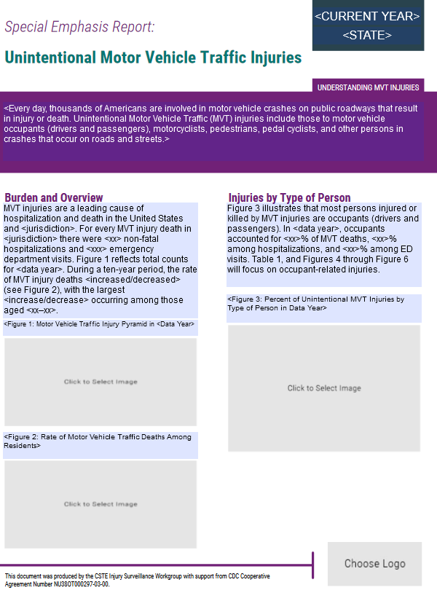

Note that the Figure 3 graph was updated to use stacked bars instead of individual bars for Fatalities, Hospitalizations, and ED Visits

 | ED | Hospitalizations | Fatalities
Occupant / Unspecified | 10.2 | 12.5 | 6.1
Motorcyclist | 30.6 | 18.8 | 9.1
Pedestrian | 26.5 | 29.2 | 36.4
Pedal cyclist | 14.3 | 12.5 | 15.2
Other | 18.4 | 27.1 | 33.3

Labels for Figure 1 can be added manually using text boxes
 | ED Visits | Hospitalizations | Fatalities
Item | 58000 | 22315 | 32000

 | rates
Year 1 | 1
Year 2 | 2
Year 3 | 3
Year 4 | 4
Year 5
Year 6
Year 7
Year 8
Year 9
Year 10
Year 11
Year 12

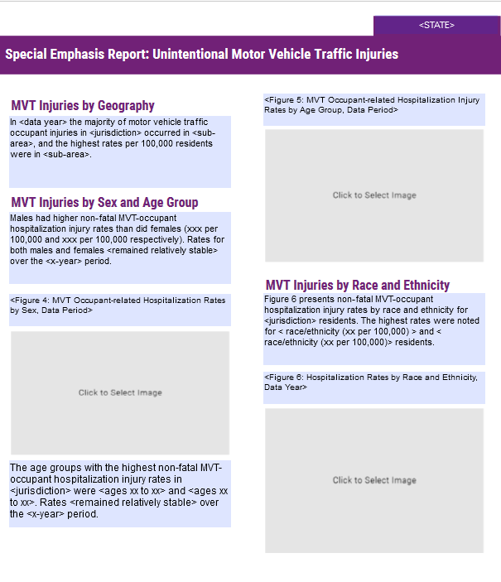

 | 0-14 | 15-19 | 20-24 | 25-44 | 45-64 | 65+
Year 5
Year 4
Year 3
Year 2
Year 1

MVT Hosptializations by Sex <Data Period>
 | total hospitalizations | male hospitalizations | female hospitalizations
Year 5
Year 4
Year 3
Year 2
Year 1

 | hospitalization rates
White-Not Hispanic
Hispanic
Black-Not Hispanic
Asian
American Indian/Alaska Native
Other
Other

MVT Deaths by Sex <Data Period>
 | total deaths | male deaths | female deaths
Year 1
Year 2
Year 3
Year 4
Year 5
Year 6
Year 7
Year 8
Year 9
Year 10
Year 11
Year 12
Year 13
Year 14
Year 15
Year 16
Year 17
Year 18
Year 19
Year 20

MVT Emergency Department Visits by Sex <Data Period>
 | total ED visits | male ED visits | female ED visits
Year 5
Year 4
Year 3
Year 2
Year 1

