Welcome and Thank You Text
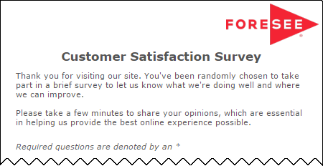
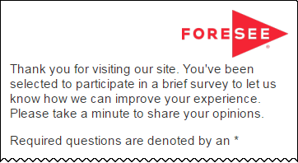
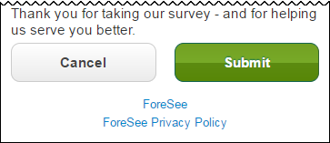
The text you see here will appear at the top and bottom of your survey, examples below.
Default text is included and you may modify this text as needed.

Welcome and Thank You Text

 | Welcome Text | Welcome Text - Tablet / Phone

 | Thank you for visiting the Bureau of the Fiscal Service website. You have been randomly selected to take part in this survey that is being conducted by ForeSee on behalf of the U.S. Department of the Treasury. Please take a few minutes to give us your feedback. All results are strictly confidential.

 | Thank You Text | Thank You Text - Tablet / Phone

 | Thank you for taking our survey - and for helping us serve you better. Please note you will not receive a response from us based on your survey comments. If you would like us to contact you about your feedback, please visit the Contact Us section of our web site.

 | Example Desktop | Example Mobile

